INFO page EPICUR
EPICUR Course/Offer Proposals for Lifelong Learning To be included in the EPICUR Lifelong Learning Course catalogue Programme Please submit to the EPICUR Institutional Coordinator responsible for reviewing offers at your university (the university that will award credits). Click here to find the email address of your university.

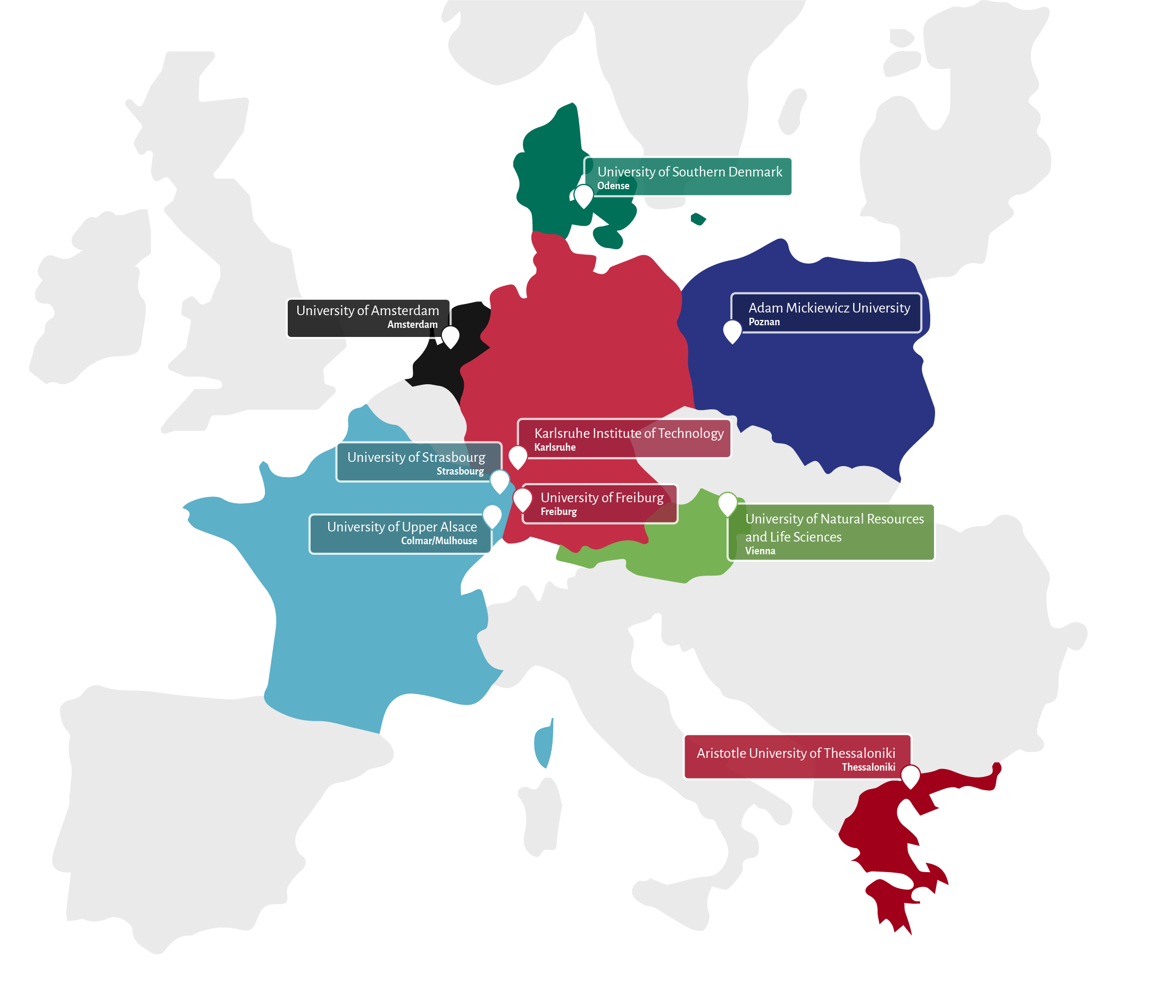
What is EPICUR? | What is Lifelong learning?
EPICUR (European Partnership for an Innovative Campus Unifying Regions) belongs to the first generation of European university alliances launched by the European Commission under the Erasmus+ programme. The objective of the EPICUR alliance is to create a unique environment of interdisciplinary education and research and to prepare tomorrow's European citizens to face societal challenges and become drivers of European innovation. The alliance is composed of the 9 higher education institutions across Europe (see picture on the right-hand side) and is led by the University of Strasbourg. | Lifelong Learning encompasses all learning activities undertaken throughout life with the aim of improving knowledge, skills and competences, within personal, civic, social or employment-related perspectives including non-formal and informal learning activities. Lifelong Learners are individuals of various ages and backgrounds and stand among the profiles who possess a curious and open mindset and have a strong commitment to continuous learning and personal development throughout their entire lives.This diversity is also represented within the learning activities. They can include cultural as well as sporting activities and encompass a variety of learning activities ranging from opening education to disadvantaged groups, to continuing education and training for graduates. It also includes post-retirement opportunities for cultural enrichment.

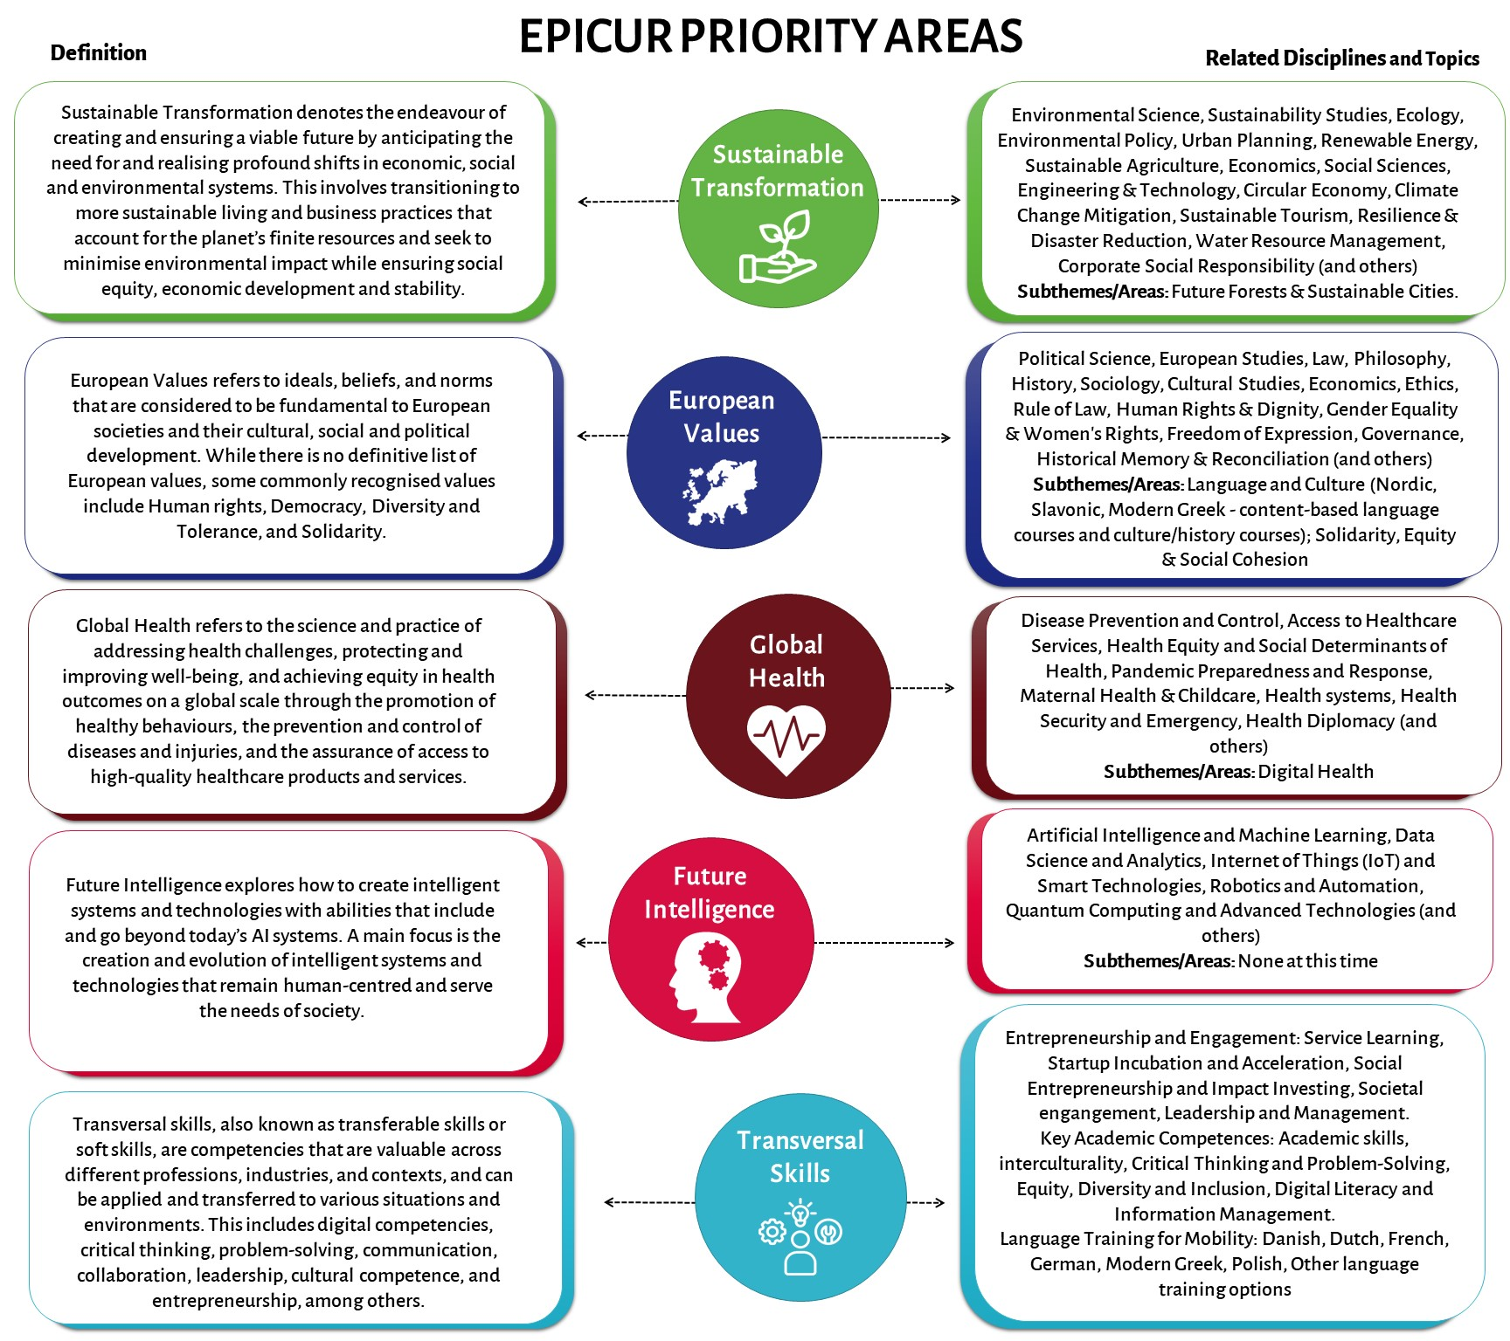
What are we looking for?
We invite instructors at the EPICUR partner institutions to propose courses (and other formats) that fit one of the EPICUR priority areas: Sustainable Transformation, European Values, Global Health, Future Intelligence, Entrepreneurship and Engagement, or Transversal Skills (e.g., academic skills, interculturality, critical thinking, Equity, Diversity and Inclusion). We are interested in offers that are accessible to researchers and faculty staff from across the alliance and - if possible - also the general public. For more specific guidelines, please see below.

What is in it for you?
By offering your learning activity in the framework of EPICUR, you will get the chance to - promote distinctive aspects in your course offer, - offer elective courses in your specialist area and engage with motivated researchers and faculty staff on the topic, - engage with internationalisation at your university, - gain teaching experience (especially if you are an early career university teacher), - increase the diversity in your classroom, - create an intercultural learning space, - become part of an international community of academics, - get access to EPICUR’s teacher support.

Guidelines for EPICUR courses
Duration: duration is flexible, could be one to a few classes or the duration of a semester/several semesters
Delivery modes: Virtual (online only), Blended (part in-person/part online), Hybrid (mixed online/in-person cohort), Physical (in-person)
potential formats: workshops, lecture series, seasonal schools, training programmes/courses, online content (learning media, OER, recorded lectures), MOOCs, events, other
Target audience: University staff: Reseachers & Educators, University staff: Administrative & Supportive, Professional Interest (outside acadmia), General/Personal Interest (outside academia)

Please provide…
...all required information on the Course Proposals sheet in this file. Some information can be provided later (noted in form). If you will not know the schedule of your course before the publication of the course catalogue, please still propose your course with your best guess of the start and end dates. We can update our systems with final dates as soon as they are known.

LLL Policy
EPICUR’s goal is to set up a joint EPICUR Lifelong Learning Culture | Added value for EPICUR universities:
• to foster a common understanding of Lifelong Learning and to build its offers on a | o Sharing of best practices and building synergies
common ground. | o Institutionalization of Lifelong Learning throughout EPICUR
• to build connections between Lifelong Learning experts within the nine universities | o Connecting with similar initiatives that share the same goals
of EPICUR, to enable them to share their expertise and support each other. | o Finding synergies through cooperation and using them actively
• to enable citizens and workforce to better cope with current challenges (e.g., climate | o Possibility for EPICUR’s Early Career Researchers (ECR) to follow another learning pathway(s)
change, skills shortage and job demands). | o Expanding and diversifying the audiences EPICUR impacts
 | o Enhanced reputation
 | o Increased enrollment
There are various definitions when it comes to Lifelong Learning. For the EPICUR SHAPE-IT | o Diversification and expansion of program offerings
project, the members of the Lifelong Learning expert group agree on the following: | o More collaboration opportunities
Lifelong Learning encompasses all learning activities undertaken throughout life with the | o Improving links with business and organizations
aim of improving knowledge, skills and competences, within personal, civic, social or | o Improved staff engagement and increased job satisfaction and productivity
employment-related perspectives including non-formal and informal learning activities. | o Knowledge sharing, e.g., from research with professionals
 | o Greater prospect for funding opportunities from government agencies, foundations, and corporate sponsors
Further details of the Lifelong Learning Policy: | o Enhanced stakeholder satisfaction, including learners, parents, community partners, and funding agencies
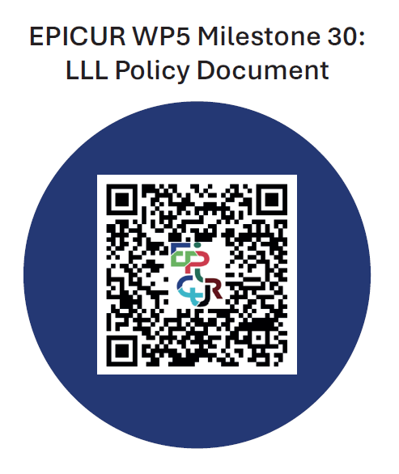
 | o Stronger community connections
 | o Making a positive social impact: fostering Lifelong Learning as a societal value
 | o Alumni engagement
 | o Enlarging access to new (guest) lecturers, traineeships/business cases for regular students, research projects, etc.
 | o Possibility to try new subjects before adding them to regular study programs
 | o EPICUR may be considered as a source of inspiration for a heightened sense of community across Europe

